COVER
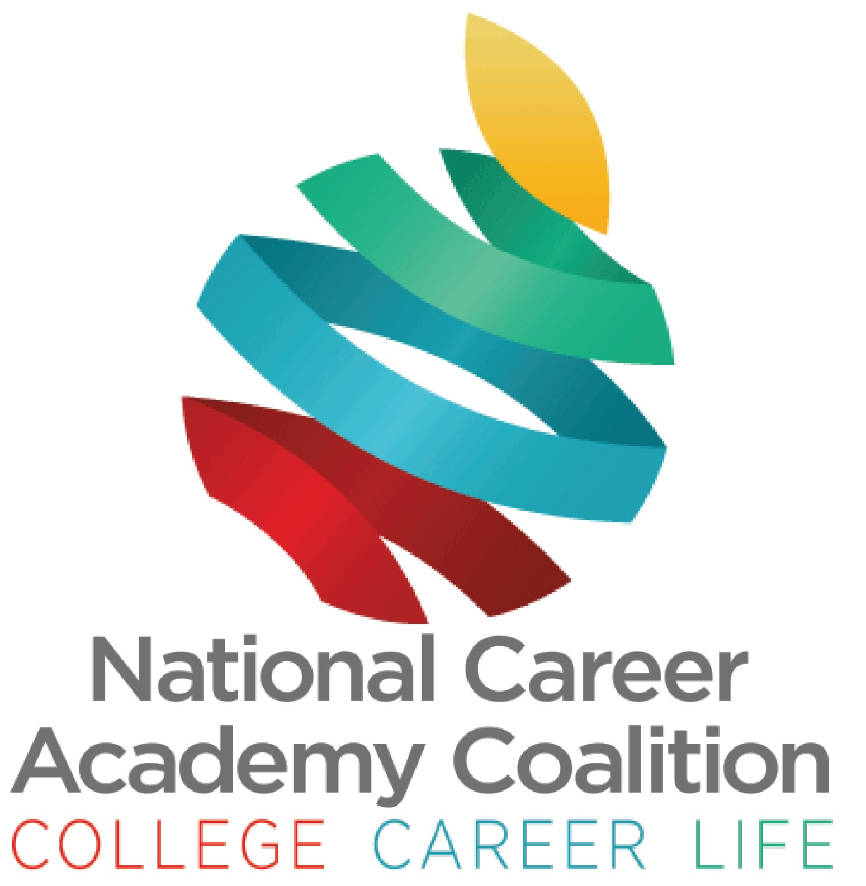

 | National Career Academy Coalition (NCAC)
 | www.ncacinc.com

 | Pre-Academy/Elementary Rubric
Directions: Please use this rubric as a collaborative tool with your academy team, leadership, advisory board and other stakeholders, to consider and monitor implementation of the academy. As you consider each item, consider the evidence you have, or evidence you need, to demonstrate meeting the criteria for certification. Please contact the review coordinator, Dr. Nicole Cobb, if you have questions, need clarification, or need assistance. ncobb@ncacinc.com

 | Scores and Status
 | Model w/Distinction 103 - 105
 | Model 93 - 102
 | Certified 65 - 92
 | In-progress < 65

 | *Revised July, 2025

